Information
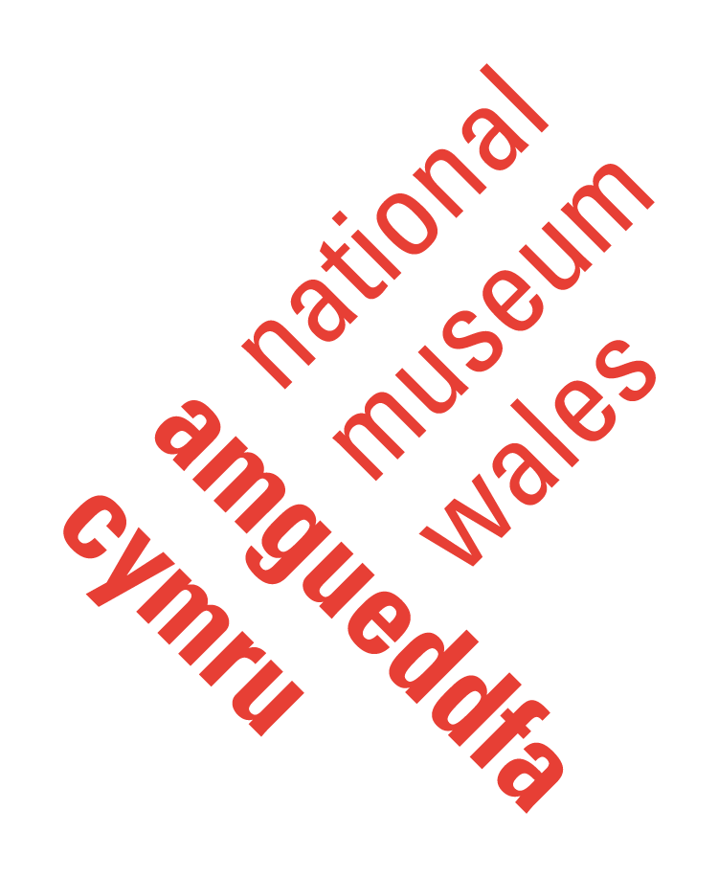


This template database is the result of a joint partnership project between Amgueddfa Cymru - National Museum Wales (specifically: National Museum Cardiff) and Cardiff University (School of History, Archaeology and Religion - Conservation).

Licence Agreement
This template database is published under Creative Commons licence CC BY-NC-ND, https://creativecommons.org/licenses/by-nc-nd/4.0/.
You are free to share — copy and redistribute the material in any medium or format under the following terms:
Attribution — You must give appropriate credit, provide a link to the license, and indicate if changes were made. You may do so in any reasonable manner, but not in any way that suggests the licensor endorses you or your use.
NonCommercial — You may not use the material for commercial purposes.
NoDerivatives — If you remix, transform, or build upon the material, you may not distribute the modified material.

Summary and Visualisation
Collection | POI

Collection Area A | #DIV/0!
Collection Area B | #DIV/0!
Collection Area C | #DIV/0!
Collection Area D | #DIV/0!
Galleries | #DIV/0!
Kitchens | #DIV/0!
Offices | #DIV/0!
Other Spaces | #DIV/0!

Total number of insects: | 0.00

Pest Occurrence Index

